Instructions
Your Guide to Personalizing

Tab Instructions: | This workbook includes two tabs located at the bottom.
Instructions: | Please read this page carefully to make it easier to submit accurate personalization data.
Examples: | Scroll down to review a sample of how to complete the List Fields you'll need to fill out in the Personalization Form tab.
Drop Ship: | Only complete Drop Ship section if your order requires this service in addition to Personalization.

Data Tips: | Helpful hints to get the best design results.
1. | We will print your text exactly as you provide it. Please review cases, tenses, and punctuation before sending us your file.
2. | For phone numbers, please use consistent formatting with hyphens, periods, and/or parenthesis.
 | Example: 555-555-1234, (800) 555-1234, or 555.555.1234; rather than 5555551234.
3. | When sending your art, there is no need to include your personalized text within your art file.
4. | Provide font instructions in the Font Key section to the right of the personalized text field.
5. | Please choose font sizes no smaller than: 6 points for drinkware; 12 points for hard-sided coolers; 14 points (and select a thicker font) for blankets .
6. | Please carefully review your proof.
7. | If you require our Drop Ship program, please ensure that each name in that section corresponds to the same line number
 | as it appears on your personalization list.

Production: | Production leadtime starts after we receive your art approval. Please note utilizing our Drop Ship Program may require additional processing time.
 | **Personalization is variable data only. Changing logos and/or artwork is not personalization and incurs separate setups/charges.

Example of How to Fill Out Data Fields
 | 1_field | 2_field | 3_field | 4_field |  | Font Key
1 | Katie | BRIDESMAID | Derek + Zoey | 2021-07-14 |  | Please provide the imprint details for each of your 4 available fields below.
2 | Liza | BRIDESMAID | Derek + Zoey | 2021-07-14
3 | Carly | BRIDESMAID | Derek + Zoey | 2021-07-14 |  | Example | Avenir Next LT Pro Light | PMS 2945 | 12 pt
4 | Devon | BRIDESMAID | Derek + Zoey | 2021-07-14 |  | 1_field | Amelya | Process blue | 30 pt
5 | Eva | BRIDESMAID | Derek + Zoey | 2021-07-14 |  | 2_field | Arial Rounded MT Bold | Process blue | 10 pt
6 | Francis | BRIDESMAID | Derek + Zoey | 2021-07-14 |  | 3_field | Arial Rounded MT Bold | Process blue | 9 pt
7 | Lisa | BRIDESMAID | Derek + Zoey | 2021-07-14 |  | 4_field | Arial Rounded MT Bold | Process blue | 9 pt
8 | Amanda | BRIDESMAID | Derek + Zoey | 2021-07-14 |  | *Please choose font sizes no smaller than: 6 points for drinkware; 12 points for hard-sided coolers; 14 points (and select a thicker font) for blankets .
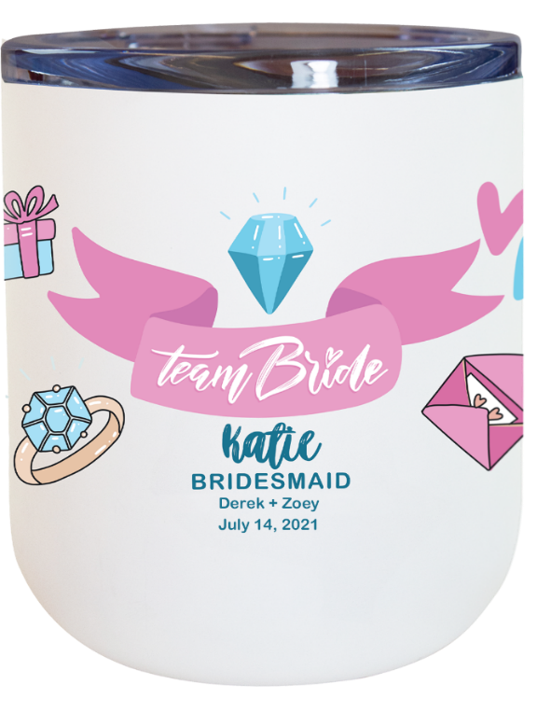
9 | Shannon | BRIDESMAID | Derek + Zoey | 2021-07-14
10 | Jill | BRIDESMAID | Derek + Zoey | 2021-07-14
11 | Kenzi | MAID OF HONOR | Derek + Zoey | 2021-07-14
12 | Lindsey | MAID OF HONOR | Derek + Zoey | 2021-07-14
13 | Rosalie | MAID OF HONOR | Derek + Zoey | 2021-07-14
14 | Nellie | MOTHER OF THE BRIDE | Derek + Zoey | 2021-07-14

Drop Shipping Information:

 | Shipper Account # | Job # | In-Hands Date |  |  |  |  |  |  | Office Use Only
 | 123 |  |  |  |  |  |  |  |  | QC'ed By:
 | *Please note on Drop-Ship orders(QTY1) will be shipped UPS Ground. 3rd party shipping number can not be used. |  |  |  |  |  |  |  |  | Packed By:
 | Notes: |  |  |  |  |  |  |  |  | Shipped by:

EXAMPLE: For Drop Ship, please include all ship-to locations.
# | Company Name | Attention | Street Address | Address (Cont'd) | City | State | Zip | Total Qty | Unique Imprint Identifier | Product Color | Ship Method | Shipper Number* | Qty Shipped
1 | Jane's Distribution | Katie Smith | 123 Front Ave |  | Tampa | FL | 33626 | 1 | Katie
2 | Jane's Distribution | Liza Jones | 456 Elm St |  | Coos Bay | OR | 97420 | 1 | Liza
3 | Jane's Distribution | Carly Cyrus | 789 Main Dr |  | Sleepy Eye | MN | 56085 | 1 | Carly
4
5
6
7

